READ_Me
You'll find informations about these countries:

Armenia | Lithunia
Austria | Macedonia
Belarus | Malta
Bosnia Herzegowina | Mexico
Brazil | Moldova
Bulgaria | Montenegro
Canada | Netherlands
Croatia | New Zealand
Cyprus | Norway
Denmark | Poland
Finland | Portugal
Germany | Serbia
Hungary | Slovak Republic
Iceland | Slovenia
Israel | Spain
Italy | Sweden
Korea | Switzerland
Kyrgyzstan | Tajikistan
Latvia | Ukraine

Summary of answers:

Please activate the worksheet FORM
 | >> click here to show the worksheet

Contrast countries:

If you like to contrast two countries, then you have to click CONTRAST
behind the question you like (in the worksheet FORM)

Example:
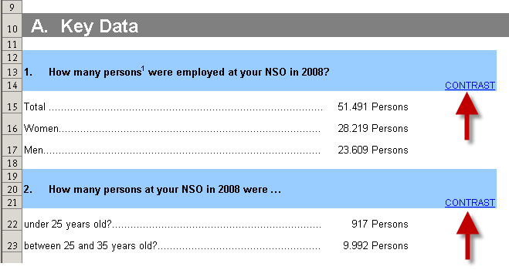

Select the countries to contrast (on sheet Q-A1)

Please click in to the country - cell. Here you can choose one country.
Do the same for the second country.

>> click to open sheet Q-A1

FORM
Questionnaire on Staff Turnover

This survey aims to investigate the reasons for the turnover of young staff members with an academic degree (under 35 years old) in National Statistical Offices (NSO) in 2008. The purpose is to collect experiences on this area of Human Resources Management to be shared with colleagues from the other NSOs and feed into discussion on HRMT workshop in 2010.

A. Key Data

¹Including all persons employed in the central statistical office, whether on short- or fixed-term or permanent contracts. Interviewers and staff in regional offices is not included.
1. How many persons1 were employed at your NSO in 2008?
 |  | CONTRAST
Total | 54,076 Persons
Women | 29,642 Persons
Men | 24,771 Persons

2. How many persons at your NSO in 2008 were …
 |  | CONTRAST
under 25 years old? | 996 Persons
between 25 and 35 years old? | 10,371 Persons

B. Staff Recruitment and Retention

1. How many persons started working at your NSO in 2008? |  |  | 2. How many persons started working at your NSO in 2008 at the age of
 |  | CONTRAST |  | CONTRAST
Total | 4,950 Persons |  | under 25 years old | 578 Persons
Women | 3,022 Persons |  | between 25 and 35 years old | 2,076 Persons
Men | 1,928 Persons |  | over 35 years old | 2,379 Persons

3. What kind of contracts does your NSO offer new staff members? |  |  | 4. Do you extend fixed-term contracts?
 |  | CONTRAST |  | CONTRAST
Permanent contract | 8 |  | Yes | 32
Fixed-/Short-term contract | 7 |  | No | 3
Permanent as well as short-term contracts | 28 |  | N/A | 2

5. How long is the average staff membership
at your NSO until the staff member signs a permanent contract?
 |  | CONTRAST
 | 1.25

C. Staff Turnover Data

1. How many staff members left your NSO in 2008?
 |  | CONTRAST
Total | 5,356 Persons
under 25 years old | 282 Persons
between 25 and 35 years old | 1,824 Persons

2. How long have young staff members (under 35 years old) been working for
your NSO until they left in 2008?
 |  | CONTRAST
less than 1year | 1,183 Persons
1-2 years | 427 Persons
3-4 years | 173 Persons
5-6 years | 112 Persons
over 7 years | 148 Persons
N/A | 962 Persons

3. How many young staff members (under 35 years old)
left your NSO in 2008 because of
 |  | CONTRAST
Voluntary cancellation of contract | 962 Persons
Expiration of contract | 1,120 Persons
Redundancy (e.g. reduction of staff/dismissal by employer) | 57 Persons

4. How do you identify reasons for young staff members (under 35 years old)
leaving your NSO voluntarily?
 |  | CONTRAST
Exit interviews | 23
Staff satisfaction surveys | 8
No investigation | 10
Other | 25

5. What are the main reasons for young staff members (under 35 years old)
for leaving your NSO voluntarily?
 |  | CONTRAST
Inadequate level of payment | 25
No adequate Human Resource development | 2
- Inefficient recruitment | 0
- No career start programme | 3
- No staff management interviews | 0
- No training especially for newcomers | 0
- No mentoring programme | 0
Non-specific job profiles | 1
Low job security | 1
No contract extension | 7
Other mentioned already on no.3

D. Managing Staff Turnover

1. Is staff turnover of young staff members (under 35 years old)
a problem at your NSO?
 |  | CONTRAST
Yes | 18
No | 20

2. What are the initiatives of your NSO to improve the situation of staff turnover
or which measures would you propose to be conducted?
 |  | CONTRAST

 | Applied | Proposed
Improved level of payment | 7 | 10
Improved Human Resource development | 10 | 4
- Efficient recruitment | 22 | 3
- Career start programme | 18 | 8
- Staff management interviews | 13 | 3
- training especially for newcomers | 28 | 1
- Mentoring programme | 11 | 8
- Job profiles | 14 | 2
Better job security | 12 | 1
Contract extension | 13 | 0

3. Did your initiatives reduce staff turnover of young staff members?
 |  | CONTRAST
Yes | 17
No | 6
Other | 1

4. Do you maintain or do you plan certain measures to attract young persons
(under 35 years old) for jobs at your NSO? (advertisement, job fair etc.)
 |  | CONTRAST
Please indicate measures To improve the positive image of our office by informing our work and project such as census via mass media.
Yes, already realised | 20
Yes, planned | 11
No | 9

Q-A1
Back to form …
 |  |  | Country 1 | Kyrgyzstan | <--- select
1. How many persons1 were employed at your NSO in 2008?
 |  |  | Country 2 | Bulgaria | <--- select

 | Kyrgyzstan | Bulgaria
Total | 127 | 350
Women | 109 | 286
Men | 18 | 64

¹Including all persons employed in the central statistical office, whether on short- or fixed-term or permanent contracts. Interviewers and staff in regional offices is not included.

